Expendable PKG Sketch Form
 | EXPENDABLE PACKAGING SKETCH FORM

 | H-D Part Information |  |  |  |  | Supplier Information
 | H-D Part Number | Part Description |  |  |  | Supplier Name |  | Supplier Code
EXPENDABLE PACKAGING
The Harley-Davidson part supplier is responsible for the design and procurement of expendable packaging.
The design chosen for a given shipment must deliver damage-free and corrosion-free parts to H-D for the transportation mode being used; Truck, air, sea or parcel.
Harley-Davidson Packaging Engineers will provide approval of the footprint and CPQ (container pack quantity) of all primary and backup expendable packaging.
Handheld containers must weigh less than 35 lbs
No overhang on pallet
H-DSN Packaging Requirements Link
Delete this Text Box to fill out the Expendable Packaging Sketch Form
 | H-D Plant |  | Primary Container Information
 |  |  | Container Part Quantity (CPQ) | Loaded Container Weight (lbs) | Container Board Grade (ECT, Burst or GSM) | Container Dimensions - OD (in)
 |  |  |  |  |  | Length | Width | Height

 | Packaging Bill of Material (BOM) |  |  |  |  | Dunnage Photo
 | Pkg Material | Description |  |  | Quantity | Insert Photo Here

 | Dunnage Photo |  | Dunnage In Container (empty) |  |  | Loaded Container
 | Insert Photo Here |  | Insert Photo Here |  |  | Insert Photo Here

 | Sketch Form Notes:

0_Sketch_Form
 | *Part number reflects original submission of form

Instructions
EXPENDABLE SKETCH FORM INSTRUCTIONS
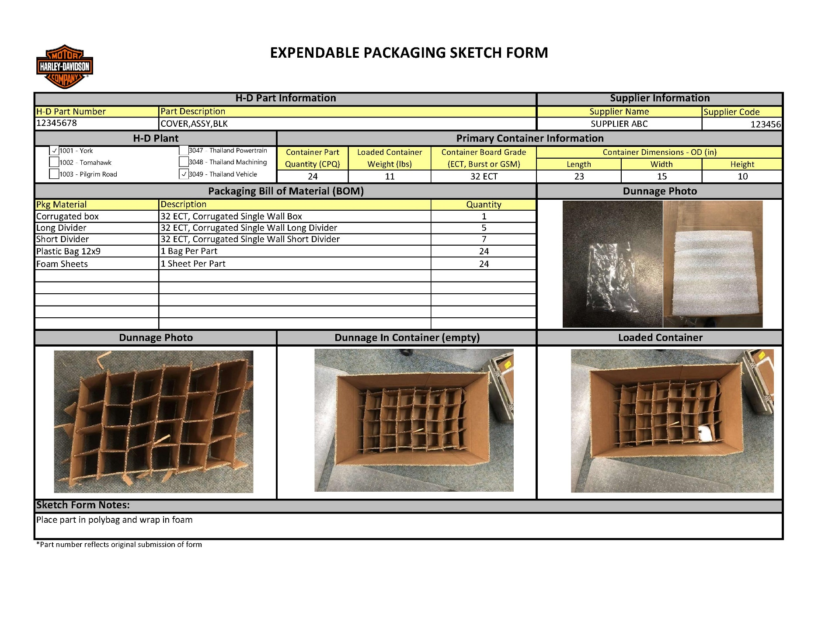
SUPPLIER RESPONSIBLE: Primary Container Information
Container Part Quantity (CPQ)
- CPQ equals the number of parts in the primary container
Loaded Container Weight (lbs)
- Weight of primary container with dunnage and parts, in pounds
Container Board Grade (ECT, Burst or GSM)
- Provide ECT, Burst or GSM value for the corrugated material. Include the unit (ECT, Burst or GSM) along with the value
Container Dimensions - OD (in)
- Provide outside dimensions, in inches, of the primary container

H-D RESPONSIBLE: H-D Part Information; Supplier Information
Information will be populated by H-D when form is sent to the supplier

SUPPLIER RESPONSIBLE: H-D PLANT
Plant the package will be shipped
- Identify each Plant that will use the packaging described in the form, multiple plants may be selected if applicable.

SUPPLIER RESPONSIBLE: Packaging Bill of Material (BOM)
List of materials used in the packaging of the part
- Identify each material type used in the package
- Add material spec detail and quantity
SUPPLIER RESPONSIBLE: Dunnage Photo; Dunnage in Container (empty); Loaded Container
Use photos to show how the parts should be packaged
- Photos need to show all the items listed on the Packaging BOM
- The "Loaded Container" photo should show parts in the dunnage with enough detail to understand part orientation.

SUPPLIER RESPONSIBLE: Sketch Form Notes
Add any additional notes to further explain the packaging plan

